Sheet2
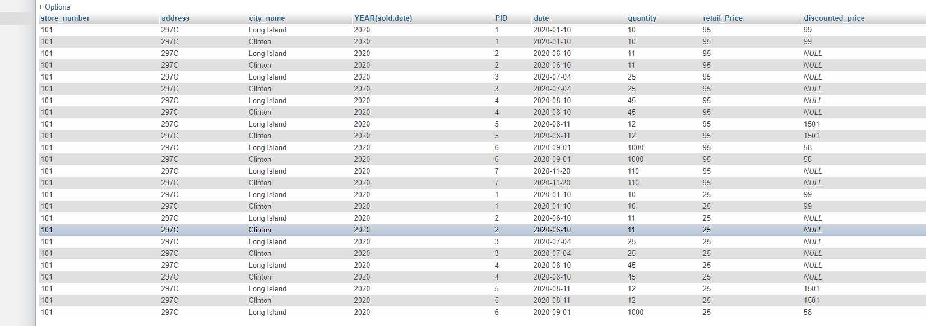
Sold |  |  |  |  |  |  |  | Store
PID | quantity | store_number | date | dscount |  | Reg price | disc Price | store_number | city_name | state
1 | 10 | 101 | 2020-01-10 | x |  |  |  | 105 | Clinton | New York
2 | 11 | 102 | 2020-06-10 |  |  |  |  | 111 | Long Island | New York
3 | 25 | 103 | 2020-07-04 |  |  |  |  | 112 | Long Island | New York
4 | 45 | 104 | 2020-08-10
5 | 12 | 110 | 2020-08-11 | x
6 | 1000 | 111 | 2020-09-01 | x | x | 75 | 58 | 58000
7 | 110 | 112 | 2020-11-20 |  | x | 69 |  | 7590

forDiscount |  |  |  |  |  |  |  | product |  |  | 3 | 25 | 26250 | 26250
PID | date | discounted_price |  |  |  |  |  | PID | retail_price | product_name |  | 1 | 800 | 787.5
1 | 2020-01-10 | 99 |  |  |  |  |  | 1 | 105 |  |  |  | 27050 | 27037.5 | 12.5
2 | 2020-12-25 | 89 |  |  |  |  |  | 2 | 105
3 | 2020-08-10 | 800 |  |  |  |  |  | 3 | 1050 |  | 4 | 45 | 765 | 765
4 | 2020-12-01 | 10 |  |  |  |  |  | 4 | 17 |  |  | 2 | 20 | 25.5
5 | 2020-08-11 | 1501 |  |  |  |  |  | 5 | 1800 |  |  |  | 785 | 790.5 | -5.5
6 | 2020-09-01 | 58 |  |  |  |  |  | 6 | 75
7 | 2020-12-25 | 65 |  |  |  |  |  | 7 | 69
8 | 2020-11-20 | 79 |  |  |  |  |  | 8 | 115
 |  |  |  |  |  |  |  | 9 | 25
 |  |  |  |  |  |  |  | 110 | 95
City
city_name | state | population |  |  |  |  |  | belongs_to
Clinton | New York | 89897654 |  |  |  |  |  | PID | Category
Long Island | New York | 98770 |  |  |  |  |  | 1
 |  |  |  |  |  |  |  | 2
 |  |  |  |  |  |  |  | 3 |  |  | 3 | 4
 |  |  |  |  |  |  |  | 4 |  |  | 2020-08-10 | 2020-12-01
 |  |  |  |  |  |  |  | 5 |  |  | 1 | 2
 |  |  |  |  |  |  |  | 6
 |  |  |  |  |  |  |  | 7
 |  |  |  |  |  |  |  | 8
 |  |  |  |  |  |  |  | 9
 |  |  |  |  |  |  |  | 10

